Energy_item
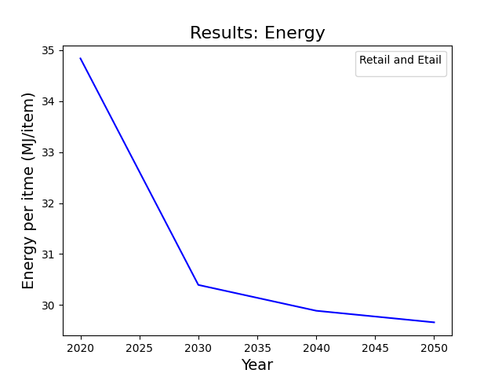
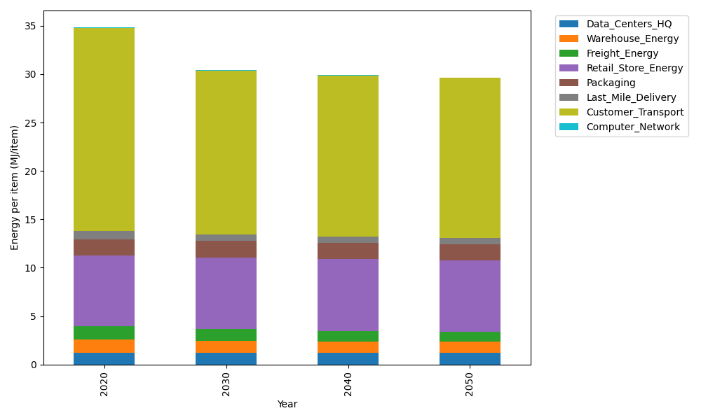
Years | Data_Centers_HQ | Warehouse_Energy | Freight_Energy | Retail_Store_Energy | Packaging | Last_Mile_Delivery | Customer_Transport | Computer_Network | Total
2020 | 1.2374141979 | 1.3410488455 | 1.3784807412 | 7.3100139929 | 1.6916682183 | 0.80808195028 | 21.025426433 | 0.042881298171 | 34.835015677
2030 | 1.2352718172 | 1.220946833 | 1.1863490802 | 7.4274928124 | 1.7230103968 | 0.63759646136 | 16.926469841 | 0.038322286335 | 30.395459528
2040 | 1.2350053479 | 1.1663371908 | 1.06111291 | 7.4421048224 | 1.6673485904 | 0.63534761291 | 16.644087092 | 0.037755236657 | 29.889098804
2050 | 1.2351847631 | 1.1143019806 | 1.009349809 | 7.4322664771 | 1.6389018846 | 0.62783006937 | 16.565878519 | 0.038137034271 | 29.661850537

CO2_item
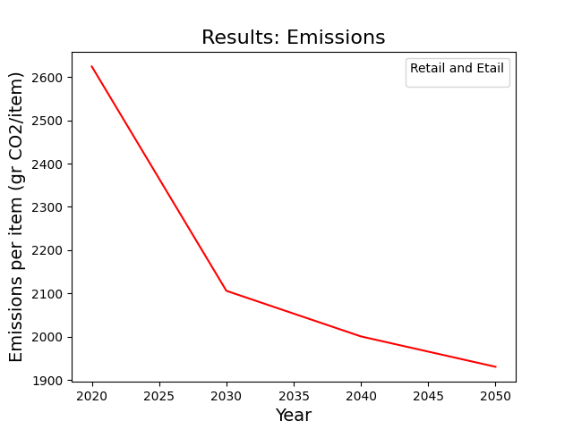
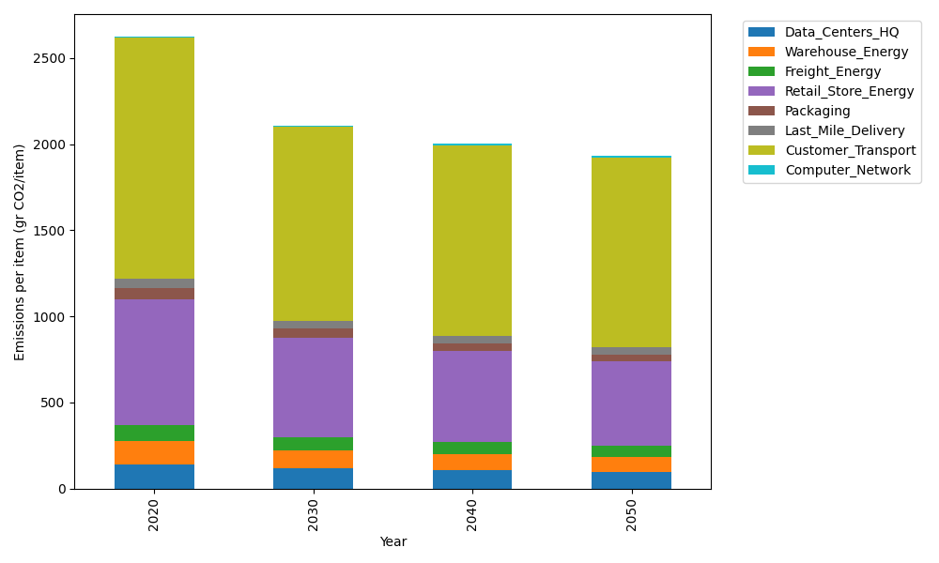
Years | Data_Centers_HQ | Warehouse_Energy | Freight_Energy | Retail_Store_Energy | Packaging | Last_Mile_Delivery | Customer_Transport | Computer_Network | Total
2020 | 140.14711191 | 133.87537195 | 93.866217976 | 728.99305529 | 65.522142061 | 55.469272717 | 1399.0130256 | 7.2330803936 | 2624.1192779
2030 | 116.13453505 | 103.33309549 | 80.745606566 | 577.75275578 | 52.003123379 | 43.735978854 | 1126.0644064 | 6.4640808406 | 2106.2335823
2040 | 107.47936814 | 93.936239892 | 72.17945813 | 526.93775192 | 43.683351265 | 43.555551571 | 1106.82026 | 6.3684327123 | 2000.9604136
2050 | 95.63307998 | 87.39822939 | 68.62554332 | 489.1819127 | 39.17121468 | 43.014336973 | 1101.3626716 | 6.4328331142 | 1930.8198218

